Income
 |  | Single Member Household | 2 Member Household | 3 Member Household | 4 Member Household | 5 Member Household
OVER 400% FPL | Subject to 8.5% of Household income (Grey area of ARP. Age will be a determining factor) | $51,521 | $69,681 | $87,841 | $106,001 | $124,161
400% FPL | LOWEST SAVINGS | $51,520 | $69,680 | $87,840 | $106,000 | $124,160
200% - 250% FPL | SILVER CSR 73% | $25,761 - $32,000 | $34,841 - $43,550 | $43,921 -$54,900 | $53,001 - $66,250 | $62,081 - $77,600
150% - 200% FPL | SILVER CSR 87% | $19,321 - $25,760 | $26,131 - $34,840 | $32,941 - $43,920 | $39,751 - $53,000 | $46,561 - $62,080
100% - 150% FPL | SILVER CSR 94% | $12,880 - $19,320 | $17,420 - $26,130 | $21,960 - $32,940 | $26,500 - $39,750 | $31,040 - $46,560
138% FPL | USE FOR NON-MEDCAID EXPANSION STATES (BLUE) | $17,775 | $24,040 | $30,305 | $36,571 | $42,836
100% FPL | QUALIFIES FOR ACA (MAXIMUM SAVINGS) | $12,880 | $17,420 | $21,960 | $26,500 | $31,040
BELOW 100% FPL | *APPLY* FOR MEDICAID (May now qualify for a subsidy due to 8.5% of household income and unemployment compensation) | $12,879 | $17,419 | $21,959 | $26,499 | $31,039
 |  | $0 | $0 | $0 | $0 | $0
JUST BECAUSE SOMEONE FALLS UNDER THE FPL DOES NOT MEAN THEY ARE DISQUALIFIED FROM ACA. THEY SHOULD APPLY FOR MEDICAID DURING OEP, GET DENIED, THEN USE MEDICAID DENIAL LETTER TO REAPPLY TO ACA (THIS WILL EVEN GRANT AN SEP)
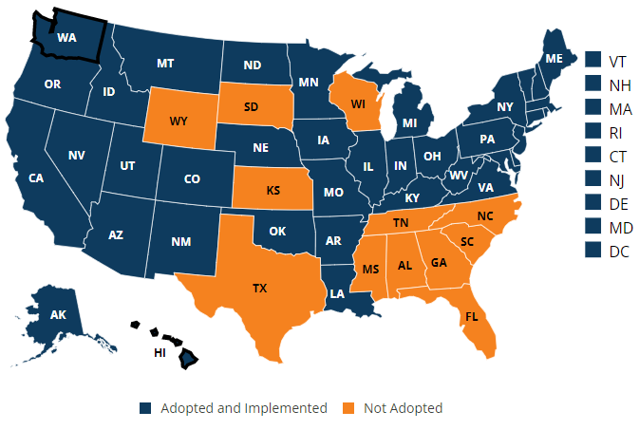

Types of Wages | Is It considered income? | Explanation
Federal Taxable Wages (from your job) | Yes | If your pay stub lists “federal taxable wages,” use that. If not, use “gross income” and subtract the amounts your employer takes out of your pay for child care, health insurance, and retirement plans.
Tips | Yes
Self-employment income | Yes | Include “net self-employment income” you expect — what you’ll make from your business minus business expenses. Note: You’ll be asked to describe the type of work you do. If you have farming or fishing income, enter it as either “farming or fishing” income or “self-employment,” but not both.
Unemployment compensation | Yes
Social Security | Yes | Include both taxable and non-taxable Social Security income. Enter the full amount before any deductions. Do not include Supplemental Security Income (SSI)
Social Security Disability Income (SSDI) | Yes | But do not include Supplemental Security Income (SSI).
Retirement or pension Income | Yes | Include most IRA and 401k withdrawals. (See details on retirement income in the instructions for IRS publication 1040). Note: Don’t include qualified distributions from a designated Roth account as income.
Alimony | Yes | EX: Spousal payment after legal divorce
Child support | No
Capital gains | Yes | EX: Excess of capital earned from sale of holding asset
Investment income | Yes | Include expected interest and dividends earned on investments, including tax-exempt interest.
Rental and royalty income | Yes | Use net rental and royalty income.
Excluded (untaxed) foreign income | Yes | > Reimbursements for expenses you incur on behalf of your employer under an accountable plan > The value of meals and lodging furnished for the convenience of your employer that was not included in your income > Pension or annuity payments including social security benefits > Pay you receive as an employee of the U.S. government > Amounts included in your income because of your employer's contributions to a nonexempt employee trust or to a nonqualified annuity contract > Payments received after the end of the tax year following the tax year in which you performed the services that earned the income
Gifts | No
Supplemental Security Income (SSI) | No | But do include Social Security Disability Income (SSDI).
Veterans’ disability payments | No
Worker’s Compensation | No
Proceeds from loans (like student loans, home equity loans, or bank loans) | No

Who to Include in Your Household
Relationship | Include in household? | Notes
Dependent children, including adopted and foster children | Yes | Include any child you’ll claim as a tax dependent, regardless of age.
Children, shared custody | Sometimes | Include children whose custody you share only during years you claim them as tax dependents.
Non-dependent child under 26 | Sometimes | Include them only if you want to cover them on your Marketplace plan.
Children under 21 you take care of | Yes | Include any child under 21 you take care of and who lives with you, even if not your tax dependent.
Unborn children | No | Don’t include a baby until it’s born. You have up to 60 days after the birth to enroll your baby.
Non-dependent child or other relative living with you | No | Include them only if you’ll claim them as tax dependents.
Dependent parents | Yes | Include parents only if you’ll claim them as tax dependents.
Dependent siblings and other relatives | Yes | Include them only if you’ll claim them as tax dependents.
Spouse | Yes | Include your legally married spouse, whether opposite sex or same sex. In most cases, married couples must file taxes jointly to qualify for savings.
Legally separated spouse | No | Don’t include a legally separated spouse, even if you live together.
Divorced spouse | No | Don't include a former spouse, even if you live together.
Spouse, living apart | Yes | Include your spouse unless you’re legally separated or divorced. (See next row for an important exception.)
Spouse, if you’re a victim of domestic abuse, domestic violence, or spousal abandonment | Not required | In these cases, you don’t have to include your spouse. See rules for victims of domestic abuse, domestic violence, or spousal abandonment.
Unmarried domestic partner | Sometimes | Include an unmarried domestic partner only if you have a child together or you’ll claim your partner as a tax dependent.
Roommate | No | Don’t include people you just live with — unless they’re a spouse, tax dependent, or covered by another exception in this chart.

